Calendar 2020-2021
Calendar academic year 2020-2021
Calendar academic year 2020-2021

Period |  |  |  |  | PERIOD 1 |  |  |  |  |  |  |  | PERIOD 2 |  |  |  |  |  |  |  |  |  | PERIOD 3
Week | 49 | 50 | 51 | 52 | 1 | 2 | 3 | 4 | 5 | 6 | 7 | 8 | 9 | 10 | 11 | 12 | 13 | 14 | 15 | 16 | 17 | 18 | 19 | 20 | 21 | 22 | 23 | 24
Date | 2020-08-03 | 2020-08-10 | 2020-08-17 | 2020-08-24 | 2020-08-31 | 2020-09-07 | 2020-09-14 | 2020-09-21 | 2020-09-28 | 2020-10-05 | 2020-10-12 | 2020-10-19 | 2020-10-26 | 2020-11-02 | 2020-11-09 | 2020-11-16 | 2020-11-23 | 2020-11-30 | 2020-12-07 | 2020-12-14 | 2020-12-21 | 2020-12-28 | 2021-01-04 | 2021-01-11 | 2021-01-18 | 2021-01-25 | 2021-02-01 | 2021-02-08
 | Academic Year 2019-2020 |  |  |  | Education |  |  |  |  |  |  | Exams | Education |  |  |  |  |  |  | Exams | Holidays |  | Education and exams |  |  |  | Resit exams (3-2/12-2)

Period | PERIOD 4 |  |  |  | PERIOD 5 |  |  |  |  |  |  |  | PERIOD 6
Week | 25 | 26 | 27 | 28 | 29 | 30 | 31 | 32 | 33 | 34 | 35 | 36 | 37 | 38 | 39 | 40 | 41 | 42 | 43 | 44 | 45 | 46 | 47 | 48 | 49 | 50 | 51 | 52 | 1
Date | 2021-02-15 | 2021-02-22 | 2021-03-01 | 2021-03-08 | 2021-03-15 | 2021-03-22 | 2021-03-29 | 2021-04-05 | 2021-04-12 | 2021-04-19 | 2021-04-26 | 2021-05-03 | 2021-05-10 | 2021-05-17 | 2021-05-24 | 2021-05-31 | 2021-06-07 | 2021-06-14 | 2021-06-21 | 2021-06-28 | 2021-07-05 | 2021-07-12 | 2021-07-19 | 2021-07-26 | 2021-08-02 | 2021-08-09 | 2021-08-16 | 2021-08-23 | 2021-08-30
 | Education and exams |  |  |  | Education |  |  |  |  |  | Friday, April 30 Exams | Exams | Education and exams |  |  |  |  |  |  |  | Holidays |  |  |  | Resit exams (2-8/11-8) |  | Holidays |  | Academic Year 2021-2022

 | Holidays 2020-2021 (during educational days/weeks)

 | Week
 | 17 |  | 25th of December 2020 |  |  |  |  |  | 1st Christmas Day
 | 17 |  | 26th of December 2020 |  |  |  |  |  | 2nd Christmas Day
 | 18 |  | 1st of January 2021 |  |  |  |  |  | New Years Day
 | 31 |  | 2nd of April 2021 |  |  |  |  |  | Good Friday
 | 32 |  | 5th of April 2021 |  |  |  |  |  | Easter Monday
 | 35 |  | 27th of April 2021 |  |  |  |  |  | Kingsday
 | 36 |  | 5th of May 2021 |  |  |  |  |  | Liberation Day
 | 37 |  | 13th of May 2021 |  |  |  |  |  | Ascension Day
 | 39 |  | 24th of May 2021 |  |  |  |  |  | Whit Monday

Location overview
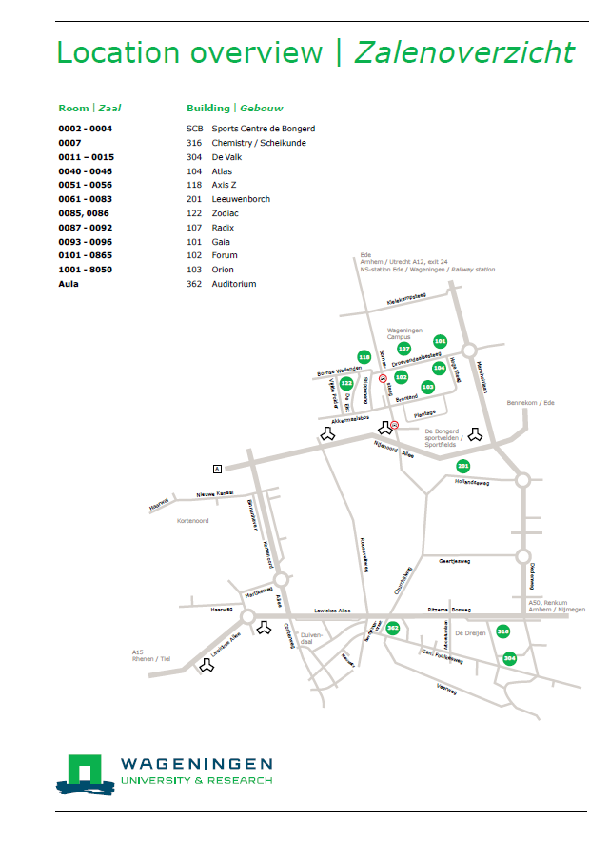

Wageningen Campus
