INTRODUCTION
Air exchange calculation
Authors: Pere Muñoz, Juan I Montero, Davide Piscia, Assumpció Antón

 |  | The reduction of temperature in the interior of greenhouses located in warm regions is fundamental to obtain good control of the climate. Natural ventilation is the cooling method most commonly used, because it permits reduction of the temperature for cultivation and the internal CO2 deficit, and it provides much better environmental working conditions. We present a model to calculate the air exchange rate of a specific multitunel greenhouse. The model considers a global wind pressure coefficient for the greenhouse structure as well as the resistance of the air flow through the ventilators. For each greenhouse the user has to specify details such as number of spans, number of ventilators, size of each ventilator, etc. The model also takes into account the presence or absence of insect-proof screens: according to the screen porosity a ventilation reduction factor is applied to the ventilation rate of unscreened greenhouses. The model also accounts for the possible presence of a windward obstacle such as another greenhouse. Firstly the ventilation of an unobstructed greenhouse is calculated. Secondly the ventilation of the obstructed greenhouse is considered by applying a correction factor which depends on the distance between the obstructed and the unobstructed greenhouses. Although the model is a simplification of the very complex process of natural ventilation we consider it is a useful tool for a quick estimation of the ventilation rate

 | Acknowledgements: EUPHOROS, "Efficient use of inputs in protected horticulture", EU-FP7-KBBE-2007-1 INIA, “A comprehensive approach to greenhouse production and territory: promoting synergies towards sustainability and efficient energy use”, RTA2008-00109-C03

INSTRUCTIONS
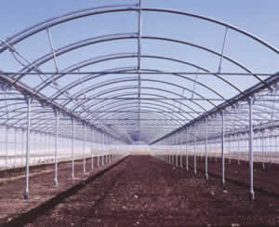
 | 1. Input greenhouse characteristics | Number of spans | Span width | Length | Gutter Height | Ridge Height
 |  | u | m | m | m | m
 |  | 10 | 8 | 12 | 3 | 5

 | 2. Input opening characteristics | Height of roof vent (outer spans) | Height of roof vent (inner span) | Height side wall vent | Side wall lenght | Number of roof vents (outer spans) | Number of roof vents (inner spans) | Number of side wall vents | Insect-proof screen porosity | Porosity values: Without screen: 1 Anti-aphid screen: 0.4 Anti-trip screen: 0.25
 |  | m | m | m | m | m | m | m | m
 |  | 1 | 1 | 4 | 100 | 1 | 8 | 2 | 1

 | 3. Input wind speed | wind speed
 |  | m·s-1
 |  | 2

 | 4. Input wind direction | wind direction | 2 |  |  | dirección de viento

 |  |  |  |  |  | windward
 | 5.Input distance between greenhouses |  |  |  |  | leeward
 |  | m
 |  | 120

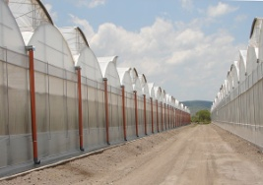

 |  | windward
 |  | leeward

 |  |  |  |  | PROCESS DATA

AIR EXCHANGE_MULTI-TUNNEL
Φ = S/2 C_{d} C_{w}^{1/2} u
Φ_{s}/Φ = ε (2-ε)
 | AIR EXCHANGE
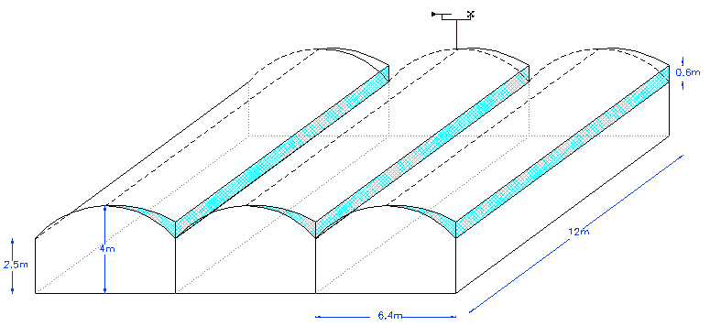
Greenhouse data
Number of spans | 10 |  | wind speed | 2 | m s-1
Span width | 8 | m | wind direction | 2
Length | 12 | m | Cd outer spans (1) | 0.698
Soil surface | 960 | m2 | Cd inner spans(1) | 0.551
Gutter Height | 3 | m | Cd side vents(2) | 0.55 |  |  |  |  |  |  |  | open10 | open5 | closed10 | closed5
Ridge Height | 5 | m | Cw(1) | 0.079 |  |  |  |  |  |  | alpha | 3.526 | 6.8 | -40 | 4.48
Volume | 3840 | m3 | Cw side vents (2) | 0.073 |  |  |  |  |  |  | beta | 6.09 | 5.07 | 28 | 5.16
Openings |  |  | Froof ventilation | 17.2 | m3 s-1 |  |  |  |  |  | c | 1.61 | 1.58 | 1.06 | 0.97
Height of roof vent (outer spans) | 1 | m | Fside ventilation | 14.3 | m3 s-1 |  |  |  |  |  | ref | 2.417808648 | 2.2848764 | 1.407291517 | 1.2347187
Height of roof vent (inner span) | 1 | m
Height side wall vent | 4 | m
Side wall lenght | 100
Roof vents surface (outer spans) | 12 | m2 | FT | 31.50 | m3 s-1 |  |  |  |  |  | 10span | 5span | 10span-closed | 5span_closed
Roof vents surface (inner spans) | 12 | m2 |  |  |  |  |  |  |  |  | 20.98 | 21.79 | 23.65 | 24.75
Side wall vent area | 48 | m2 | Nº air exch. | 29.53 | vol h-1
Number of roof vents (outer spans) | 1 |  |  |  |  |  |  |  |  |  | 0.66589222988 | 0.69150348775 | 0.75074358523 | 0.78560404067
Number of roof vents (inner spans) | 8 |  | vents/ soil surface | 0.21 |  |  |  |  |  |  | 20.978188172 |  | 23.651334995
Number of side wall vents | 2
Aspect ratio ( outer roof vents) | 12 |  | Correction due to obstruction
Aspect ratio (inner roof vents) | 12 |  | Fcorrected | 20.98 | m3 s-1 |  |  |  |  |  | open5 = c / (1+exp((-di + alpha)/beta))
Aspect ratio (side wall vents) | 25
Insect-proof screen porosity | 1 |  | Nº air exch. | 19.67 | vol h-1

Distance between greenhouses | 120 | m
 |  |  | (1) Muñoz, P. 1998. "Ventilación Natural de Invernaderos Multitúnel".Ph. D. Universitat de Lleida
Porosity values: Without screen: 1 Anti-aphid screen: 0.4 Anti-trip screen: 0.25 |  |  | (2) Pérez-Parra, J. 2002. "Ventilación Natural en invernaderos parral". PH. D. Universidad de Córdoba |  |  |  |  |  |  |  |  | 0 |  | 4.7871304708 |  | 10.512265182
 |  |  | Cw |  |  | leeward |  |  | dirección de viento |  |  | 29.534886471 |  | 4.7871304708 |  | 10.512265182
 |  |  | Greenhouse type | windward |  | 0.079 |  |  |  |  |  | 29.534886471 |  | 0 |  | 0
 |  |  | Multitunnel | 0.430 |  |  |  |  | leeward
 |  |  | Parral
 |  |  | Venlo |  |  |  |  |  |  |  |  | 10 |  | 12.673795757 |  | 28.042717367
 |  |  |  |  |  |  |  |  |  |  |  | 15 |  | 8.8023911265 |  | 19.421439406
 |  |  | Cd |  |  | 20 | 26.6 | 40 | 60 | 80 |  | 20 |  | 6.796428274 |  | 14.965351397
 |  |  | L/H | 13.3 | 16 | 0.780 | 0.815 | 0.815 | 0.815 | 0.815 |  | 25 |  | 5.5610735143 |  | 12.226057868
 |  |  | outer | 0.681 | 0.698 | 0.570 | 0.621 | 0.621 | 0.621 | 0.621 |  | 30 |  | 4.7203553755 |  | 10.36449719
 |  |  | inner | 0.518 | 0.551 |  |  |  |  |  |  | 35 |  | 4.1095051796 |  | 9.013520415
 |  |  |  |  |  |  |  |  |  |  |  | 40 |  | 3.6446411294 |  | 7.9864493691
 |  |  |  |  |  |  |  |  |  |  |  | 45 |  | 3.2784506762 |  | 7.1781008778
 |  |  |  |  |  |  |  |  |  |  |  | 50 |  | 2.9821718757 |  | 6.5245906733
 |  |  |  |  |  |  |  |  |  |  |  | 55 |  | 2.7372889623 |  | 5.9848255833
 |  |  |  |  |  |  |  |  |  |  |  | 60 |  | 2.5313297887 |  | 5.5311452333

